1. Title Page
Instacart Grocery Basket Analysis

Project Name: Instacart Grocery Basket Analysis
Date: 04/26/2022
Analyst Name: Wanjun Chen

Contents:
Population Flow
Consistency checks
Wrangling steps
Column derivations
Visualizations
Recommendations

2. Population Flow
Title page

Population flow

Exclusion flag
Condition: max_order <
Obervations to be removed:
Final total count of order_products_all:

Orders_products_combined
Orders_products_merged
Orders_products_all

Total: 32434489
Total: 32434489
Total: 32434489

1.) The grey boxes in the first row of the population flow represent the original data sets as they were when you downloaded them. In the Total fields you need to add the count of the rows when you imported the data set into Jupyter.
2.) The second row of boxes (coloured) represents the data sets after you manipulated them, e.g., removed missing values and duplicates. In the Total fields you need to add the count of the rows after conducting these operations. This offers a visual oveview of how the data flows throughout the data consistency checks.
3.) The third row, where also the arrows are coloured, represents the merges you performed between the datasets. In the Total fields you need to add the count of the rows in the merged datasets, so that you end up with the final dataset (in the red box). Keep in mind the final dataset should be without exclusions (based on the exclusion flag).

3. Consistency checks
 |  |  |  | Title page
Consistency checks

Dataset | Missing values | Missing values treatment | Duplicates
orders | 206209 missing values in "days_since_prior_order" | Keep missing values in the column | None
products | 16 missing values in"product_name" | Drop the rows with null in "product_name" | 5 duplicates
orders_products_prior | None | None | None
customers | 11259 missing values in "first_name" | Keep missing values in the column | None

4. Wrangling steps
 |  |  |  | Title page
Wrangling steps

Columns dropped | Columns renamed | Columns' type changed | Comment/Reason
order ['eval_set'] |  |  | It's useless for analysis. Drop to reduce the shape of dataframe.
 | order ['order_dow'] to order ['orders_day_of_week'] |  | It's better to understand after renaming
 |  | order ['order_id'] from int to string | Correct the data type
 |  | order ['user_id'] from int to string | Correct the data type
 | customer ['First Name'] to customer ['first_name'] |  | Unify columns' naming format
 | customer ['Surnam'] to customer ['last_name'] |  | Unify columns' naming format
 | customer ['Gender'] to customer ['gender'] |  | Unify columns' naming format
 | customer ['STATE'] to customer ['state'] |  | Unify columns' naming format
 | customer ['Age'] to customer ['age'] |  | Unify columns' naming format

5. Column derivations
 |  |  |  | Title page

Column derivations and aggregations

In this tab you should add tables below that the frequences of flags/label variables that you produced after deriving them. NB: don't do this for continuous variables, only for flags.
Dataset | New column | Column/s it was derived from | Conditions
ods_prds_cust | price_range_loc | prices | "Low-range product": value <=5 "Mid-range product": 5< value <=15 "High range": value >15
ods_prds_cust | busiest_days | orders_day_of_week | "First buiest day": value==0 "Second busiest day": value==1 "First lowest day": value==4 "Second lowest day": value==3 "Regular day": value ==2 or 5 or 6
ods_prds_cust | busiest_period_of_day | order_hour_of_day | "Most orders": value in range 9-16 "Fewest orders": value in range 2-5 "Average orders": value in other ranges
ods_prds_cust | loyalty_flag | max_order | "Loyal customer": value >40 "Regular customer": 10< value <=40 "New customer": value <=10
ods_prds_cust | frequency_flag | median_days_s_p_ods | "Frequent customer": value <=10 "Regular customer": 10< value<=20 "Non-frequent customer": value >20
ods_prds_cust | age_group | age | "less than 25", "25-34", "35-44", "45-55", "55-64", "65+"
ods_prds_cust | income_level | income | "Low income": value <30000 "Limited income": 30000<= value <50000 "Lower-middle income": 50000 <= value <140000 "Upper-middle income": 140000<=value <=200000 "High income": value > 200000

6. Visualizations
Title page

Visualisations

In this tab you should include all the visualtions from Exercises 4.9 and 4.10, alongside the questions from the project brief that they answer. Include any commentary on the relationship between different variables.
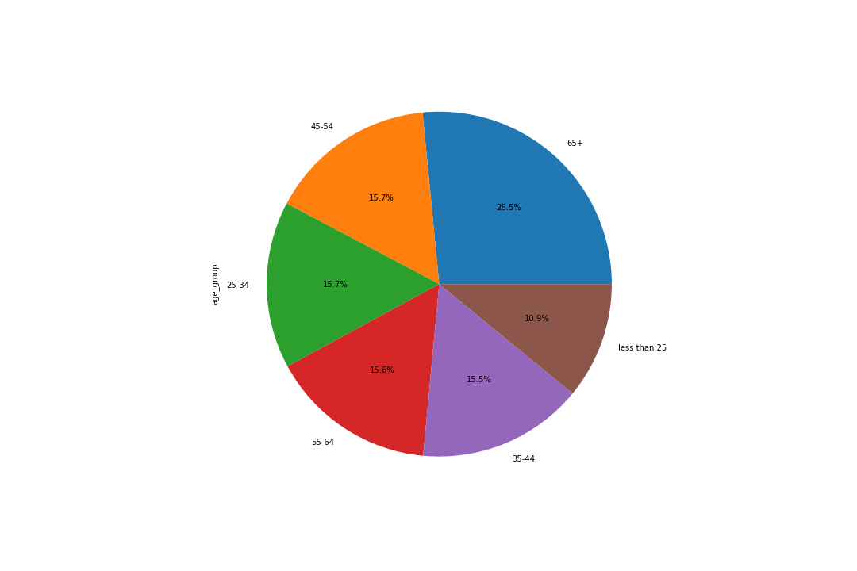
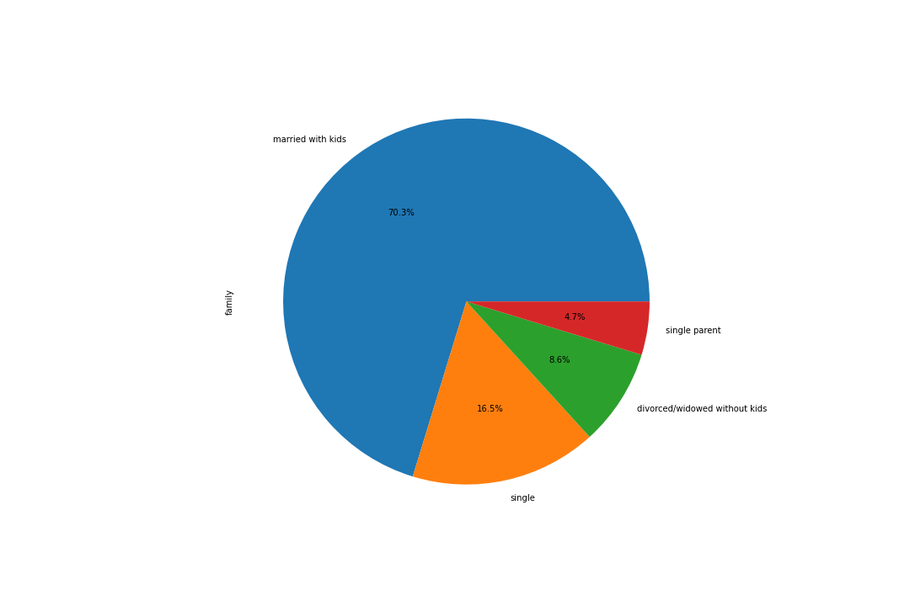
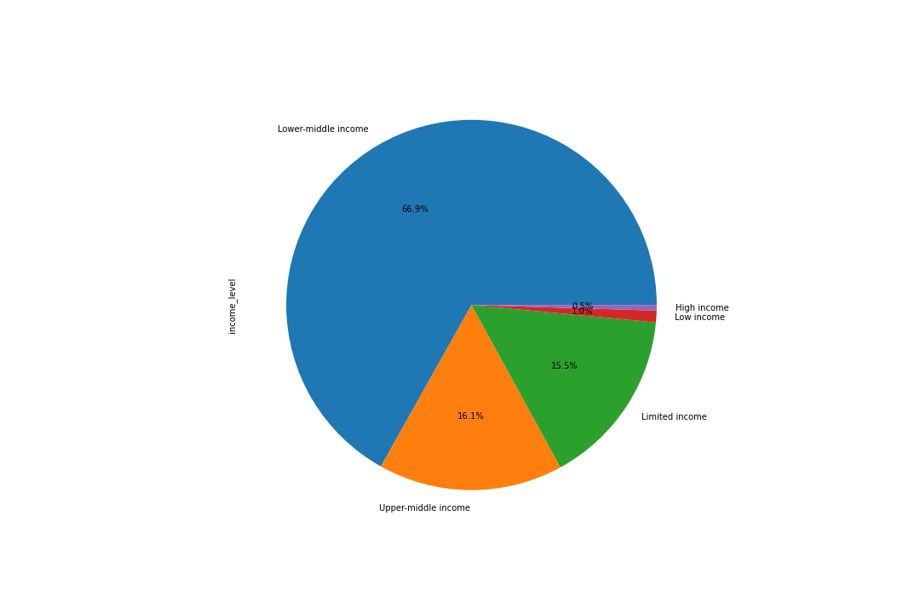

Customer-profiles Distribution

The customers who are equal or older than 65 years old are the largest age group, make up 26.5% of total customers.
70.3% of total customers are married and having kids. The second largest group makes up 16.5% is singles.
Almost 70% of total customers are in the tier of lower-middle income. The second and third groups respectively are upper-middle income and limited income.

Customer Behavior Differences Based on Customer-profiles

High Spending
Order Frequency
Order Quantity
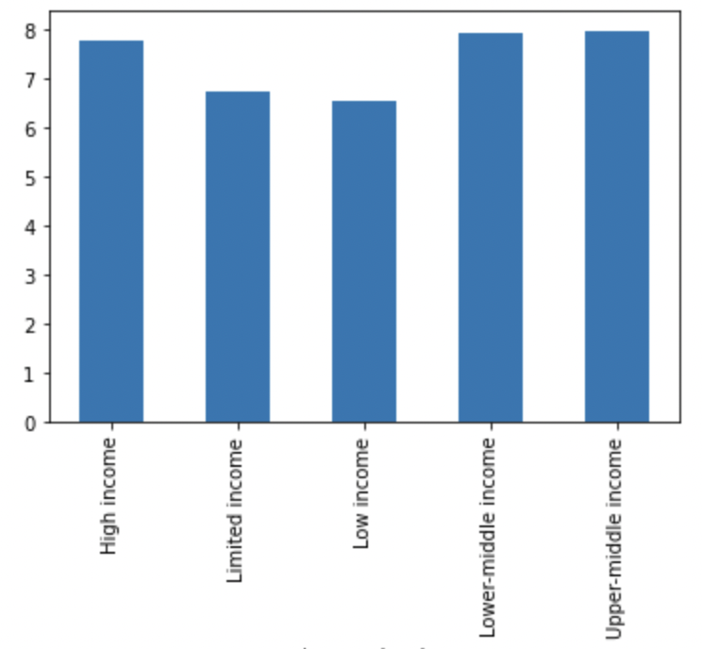
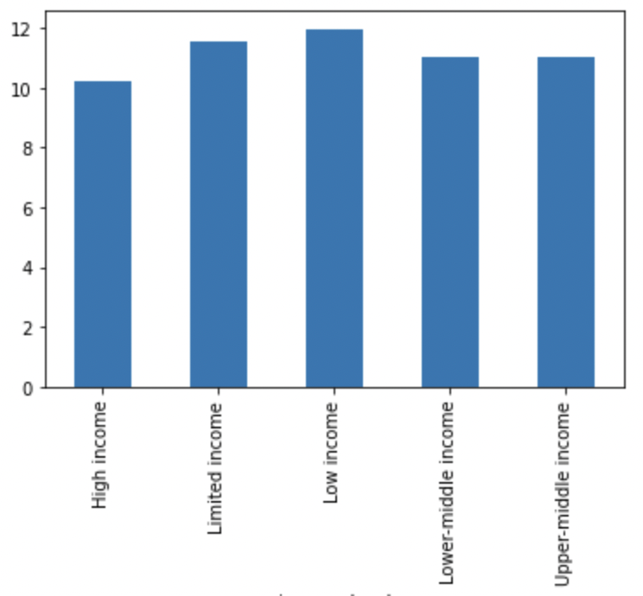
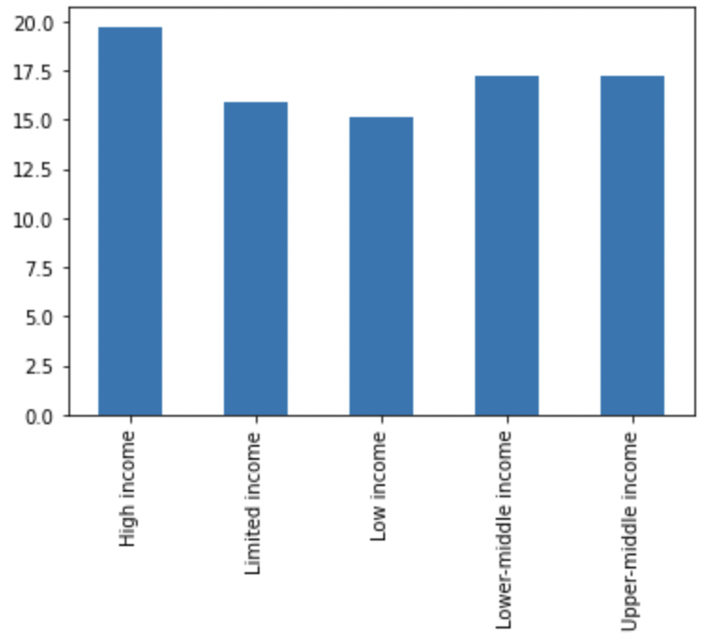

According to the analysis of customer behaviors ( average ordered item prices, order frequency, and order quantities) with customer profiles (age, family status, income), the result showed aforementioned behaviors are more related to income, rather than age and family status. It means, the high income customers have, the higher purchased frequency/prices and the more orders they made. The above bar charts show the features.

Regions & Product Departments

West
South
Midwest
Northeast
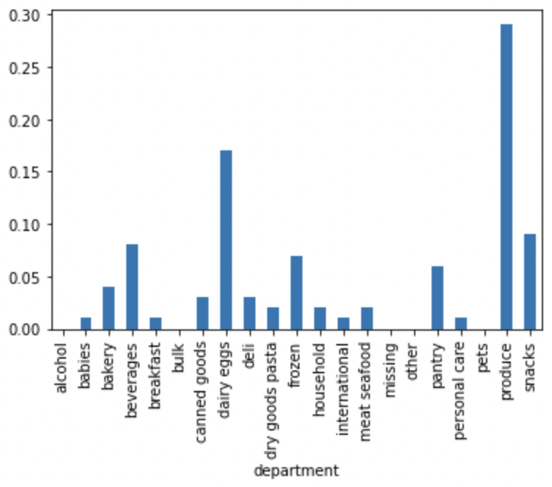
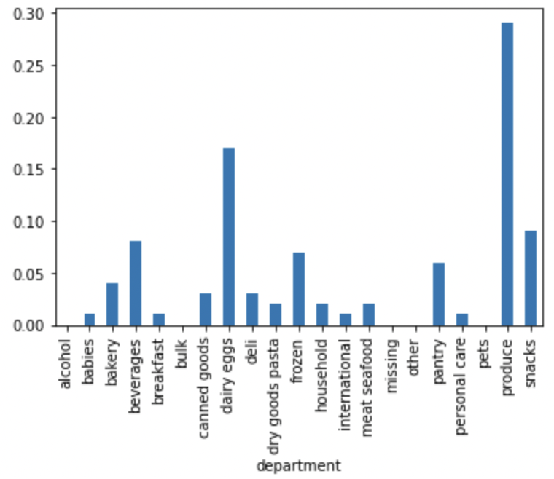
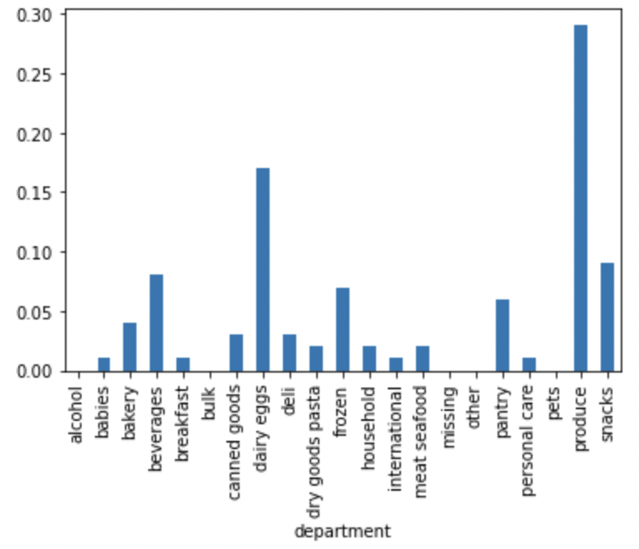
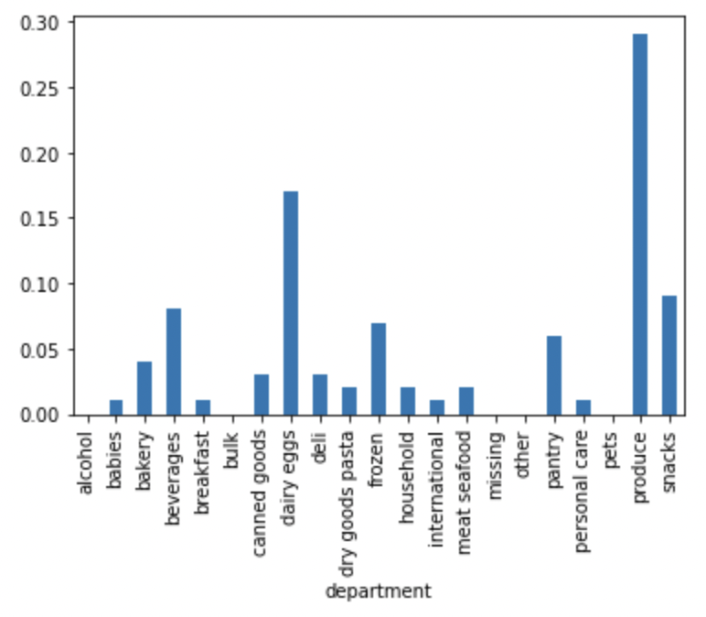

Above four bar charts respectively represent the distributions of orders in different departments from four regions. They show almost the same patterns means they have almost the same distribution of orders from the departments. There is no significant differences of consumption struction among the four regions in US.

7. Recommendations
 |  | Title page

Recommendations

In this tab you should include any recommendations you would made to Instcart in terms of their marketing strategy based on the questions posed in the brief. Every key question has been covered in the Tasks of the Exercises - here you need to add an item - a visualisation or table/crosstable that is showing the answer in the data, acompanied by a comment from you. Please, list the questions below and add the answer underneath.

Question | Answer
The sales team needs to know what the busiest days of the week and hours of the day are (i.e., the days and times with the most orders) in order to schedule ads at times when there are fewer orders. | The first buiest day is Saturady. The second buiest day is Sunday. The most buiest hous in a day are from 9 am to 4 pm
They also want to know whether there are particular times of the day when people spend the most money, as this might inform the type of products they advertise at these times. | The most orders customers made are at 10 am.
Are there certain types of products that are more popular than others? The marketing and sales teams want to know which departments have the highest frequency of product orders. | The most popular department is produce, made up about 29.3% of total item orders. The second is dairy eggs, made up about 16.6% of total item orders.
The marketing and sales teams are particularly interested in the different types of customers in their system and how their ordering behaviors differ. | According to the analysis of customer behaviors ( average ordered item prices, order frequency, and order quantities) with customer profiles (age, family status, income), the result showed aforementioned behaviors are more related to income, rather than age and family status. It means, the high income customers have, the higher purchased frequency/prices and the more orders they made. No significant differences of behaviors were found among regions related to customer profiles and products. The comsuption structures of product departments are almost the same in different regions and different customer profiles.
What different classifications does the demographic information suggest? Age? Income? Certain types of goods? Family status? | Income is the most relerant customer profile that impact on their ordering behaviors.
What differences can you find in ordering habits of different customer profiles? Consider the price of orders, the frequency of orders, the products customers are ordering, and anything else you can think of. | As recap, income is the most relevant factor impacts on customer behaviors. Due to "lower-middle income" group is the largest customer group in current customers, the marketing stratege might be considered focusing on the group as target, making marketing campaigns to increase their spending prices, order sequency and loyalty (order quantities).

